Hoja 1
 | CNN - Train | CNN - Pred | RNN - Train | RNN - Pred
"200" | 74,489 | 82,659 | 78,968 | 79,598 | 74,489 | 81,425 | 84,570 | 85,475 | 86,200
"100" | 81,425 | 82,208 | 80,903 | 81,754 | 82,659 | 82,208 | 82,089 | 80,580 | 80,894
"75" | 84,570 | 82,089 | 83,007 | 82,121
Mini-Batch Size vs Accuracy
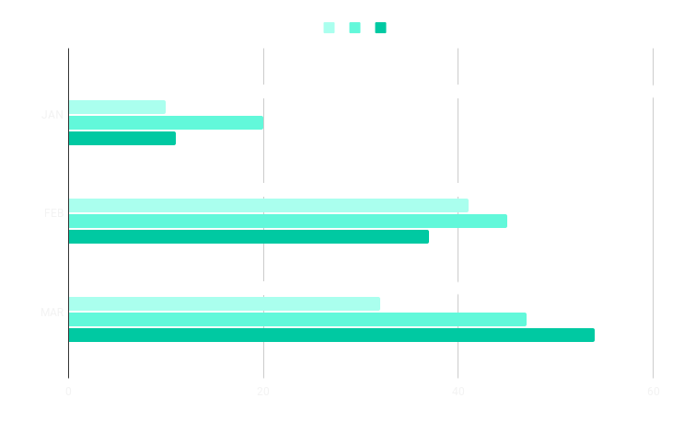
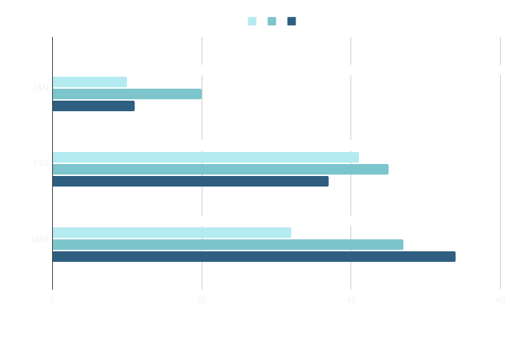
"50" | 85,475 | 80,580 | 75,702 | 81,943
"25" | 86,200 | 80,580 | 82,813 | 81,855

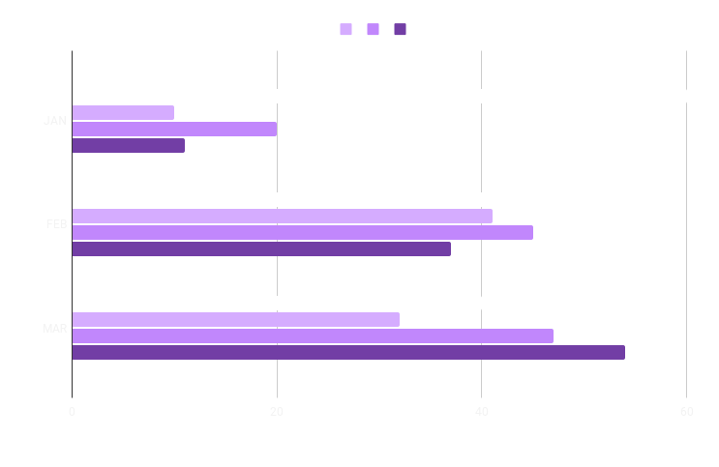
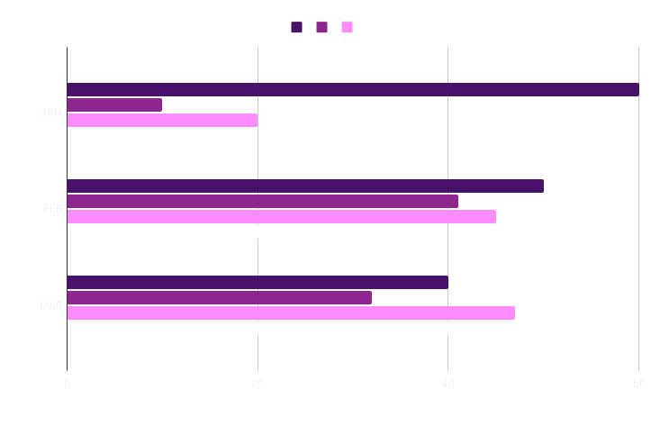

Mini-Batch Size vs Accuracy

